Script
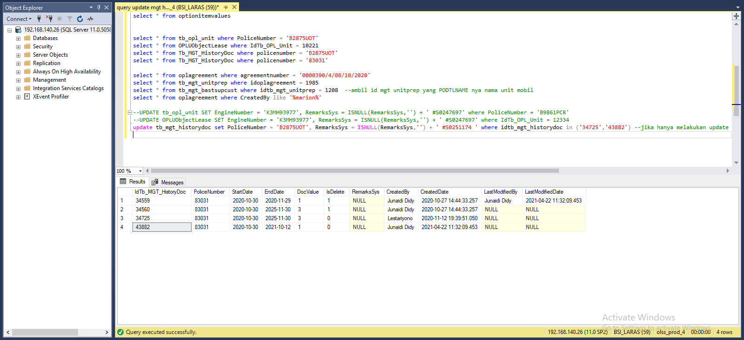
IdTb_OPL_Unit | IdProduct | PoliceNumber | PoliceNumberAct | EngineNumber | ChassisNumber | Colour | IsOPL | IsSTNK | StartSTNK | EndSTNK | StartKEUR | EndKEUR | StartInsurance | EndInsurance | CompanyInsurance | InsuranceNumber | SPPANumber | ProgressStatus | ProgressKeur | IsDelete | RemarksSys | CreatedBy | CreatedDate | LastModifiedBy | LastModifiedDate | ColorPlat
10221 | 1342 | B2875UOT | B2875UOT | 1TRA758027 | MHFJW8EM2L2383031 | SILVER METALIK | 1 | 1 | 2020-10-30 | 2021-10-12 | NULL | NULL | 2020-10-30 | 2025-11-30 | TOKIO MARINE INDONESIA | TMD/AORF/20-A0834976 | NULL | 8 | NULL | 0 | Updated STNK | Junaidi Didy | 2020-10-27 14:44:33 | Junaidi Didy | 2021-04-22 11:32:09 | HITAM

IdUObjLease | IdOPLAgreement | AgreementNumber | IdentityPoliceNumber | EngineNumber | Remarks | Accessories | Carroserrie | IdTb_OPL_Unit | IsDelete | RemarksSys | CreatedBy | CreatedDate | LastModifiedBy | LastModifiedDate
10348 | 1985 | 0000390/4/08/10/2020 | B2875UOT | 1TRA758027 | MHFJW8EM2L2383031 |  |  | 10221 | 0 | NULL | Junaidi Didy | 2020-10-27 14:44:33 | Junaidi Didy | 2021-04-22 11:32:14

MGT History Kosong

IdOPLAgreement | IdTb_OPL_Status | IdTb_OPL_Employee | IdTb_MKT_SKD | IdTb_OPL_Branch | TaskId | OPLCalculationNumber | OPLQuotationNumber | SKDNo | CustomerCode | AgreementNumberReff | AgreementNumber | AgreementDate | StartPeriodDate | EndPeriodDate | TerminateDate | LeaseCategory | IsInsurance | PurchaseAfterLease | PaymentTransactionType | FDueDateUsage | FDDatePayment | TermOfPayment | DepositPaymentDate | DepositReturnDate | DepositAmount | NumberOfPayments | TotalMonthlyInstallment | TotalUnitQuantity | IssueInvoiceDate | InterestOfPenalty | ProductCode | MaintenanceType | MonthlyMileageContract | RegularMaintenanceMileage | OilExchangeMileage | LubricantsFatMileage | BateryChangeMileage | TireChangeMileage | CSDMaintenance | GeneralFailureMaintenance | STNKRenewal | STNKRenewalDate | KEURRenewal | KEURRenewalDate | BreakDawnContract | BreakDawnRemarks | ReplacementUnit | ReplacementUnitRemarks | MonthlyInstallmentAmount | BASTDate | Remarks | DsfRprName | DsfRprPosition | CustRprName | CustRprPosition | LesseeAddress1 | LesseeAddress2 | LesseeAddress3 | LesseCity | LesseeZipcode | LesseeTelephone | LesseFax | LesseeEmail | LesseUp | LessorAddress1 | LessorAddress2 | LessorAddress3 | LessorCity | LessorZipcode | LessorTelephone | LessorFax | LessorEmail | LessorUp | HandoverLocAddress | HandoverLocCity | HandoverLocZipCode | UnitReturnLocAddress | UnitReturnLocCity | UnitReturnLocZipCode | InsuranceClaimAmount | Usage | IsDelete | RemarksSys | RowVersion | CreatedBy | CreatedDate | LastModifiedBy | LastModifiedDate | SendToStaging | AdditionalReportClause | ReportAttachmentName | ReportAttachmentFile
1985 | 18 | 1981 | 1955 | 9 | 56A783D2-2666-488E-8DAE-A667F44715B8 | 00294/OCN/01/09/2020 | 00274/OQN/01/09/2020 | 0000360/4/08/09/2020 | 76 | NULL | 0000390/4/08/10/2020 | 2020-10-02 00:00:00 | 2020-10-31 00:00:00 | 2025-10-30 00:00:00 | NULL | 95 | 1 | 0 | 154 | 2020-11-29 00:00:00 | 2021-01-13 00:00:00 | 45 | NULL | NULL | NULL | 60 | 7000000 | 1 | NULL | 0.25 | VEH/00013/V-002/NI20GA/202001 | 91 | 2500 | NULL | NULL | NULL | NULL | NULL | NULL | 0 | 1 | NULL | 0 | NULL | 1 | NULL | 1 | NULL | 7000000 | 2020-10-30 00:00:00 | OK | SUWARDI GUNAWAN | Marketing Director | Ashur Tamson | Presiden Direktur | WISMA 77 LT 16 TOWER 2 JL. LETJEND S PARMAN KAV 77 RT.- RW.- SLIPI, PALMERAH, JAKARTA BARAT, DKI JAKARTA 11410 INDONESIA | NULL | NULL | Jakarta | NULL | 021 29675980 | 021 29675902 | SZainuri@valvoline.com | Suryanto Zainuri | Sentral Senayan II, Lt.3 | Jl. Asia Afrika No.8 | Jakarta 10270 | Jakarta | NULL | 021 57954100 | 021 57954073 | Lia.Clara@dipostar.com | Lia Clara | WISMA 77 LT 16 TOWER 2 JL. LETJEND S PARMAN KAV 77 RT.- RW.- SLIPI, PALMERAH, JAKARTA BARAT, DKI JA | Jakarta | 11410 | WISMA 77 LT 16 TOWER 2 JL. LETJEND S PARMAN KAV 77 RT.- RW.- SLIPI, PALMERAH, JAKARTA BARAT, DKI JA | Jakarta | 11410 | 400000 | 99 | 0 | NULL | 0x0000000001ADF4DB | Chintya Kristi | 2020-10-16 15:59:07 | Junaidi Didy | 2020-10-27 14:44:33 | 1 | 0 | NULL | NULL

IdTb_MGT_UnitPrep | IdTb_PRO_PODtl | IdBranch | IdOPLAgreement | IdSupplier | IdProduct | IdCustomer | PONumber | PODtlName | Qty | DeliveryPeriod | LeaseCategory | PODate | POApprovalDate | BASTPlanDate | BASTActualDate | BASTTotal | BASTRemaining | BASTStatus | IsDelete | RemarksSys | CreatedBy | CreatedDate | LastModifiedBy | LastModifiedDate
1208 | 1340 | 2 | 1985 | 139 | 1342 | 24013 | 00131/PO/UNT/JKN/10/2020 | TOYOTAV-002ALL NEW KIJANG INNOVA 2.0 G AT BENSIN | 1 | 30 | 95 | 2020-10-02 00:00:00 | 2020-10-26 17:01:44 | 2020-11-01 | 2020-10-30 | 1 | 0 | 30 | 0 | NULL | Verdian | 2020-10-26 17:01:44 | Junaidi Didy | 2020-10-27 14:41:08

IdTb_MGT_BASTSupCust | IdTb_MGT_UnitPrep | BASTPartial | BASTSPNo | BASTCTNo | Colour | PoliceNumber | ChassisNumber | EngineNumber | KM | IsSTNK | RemarkSTNK | StartSTNK | EndSTNK | IsSTNK2 | RemarkSTNK2 | StartSTNK2 | EndSTNK2 | IsKEUR | StartKEUR | EndKEUR | RemarkKEUR | Remarks | CompanyInsurance | InsuranceNumber | StartInsurance | EndInsurance | DocStatus | IsDelete | RemarksSys | RowVersion | CreatedBy | CreatedDate | LastModifiedBy | LastModifiedDate
3528 | 1208 | 1 | 00716/BSP/JKC/10/2020 | 00716/BCT/JKC/10/2020 | SILVER METALIK | 83031 | MHFJW8EM2L2383031 | 1TRA758027 | 35 | 0 | NULL | NULL | NULL | 1 | NULL | 2020-10-30 | 2020-11-29 | 0 | NULL | NULL | NULL | NULL | TOKIO MARINE INDONESIA | TMD/AORF/20-A | 2020-10-30 | 2025-11-30 | 30 | 0 | NULL | 0x0000000000CB684F | Junaidi Didy | 2020-10-27 14:43:18 | Junaidi Didy | 2020-10-27 14:44:33

update tb_mgt_historydoc set PoliceNumber = 'B2875UOT', RemarksSys = ISNULL(RemarksSys,'') + ' #S0251174 ' where idtb_mgt_historydoc in ('34725','43882')

SS
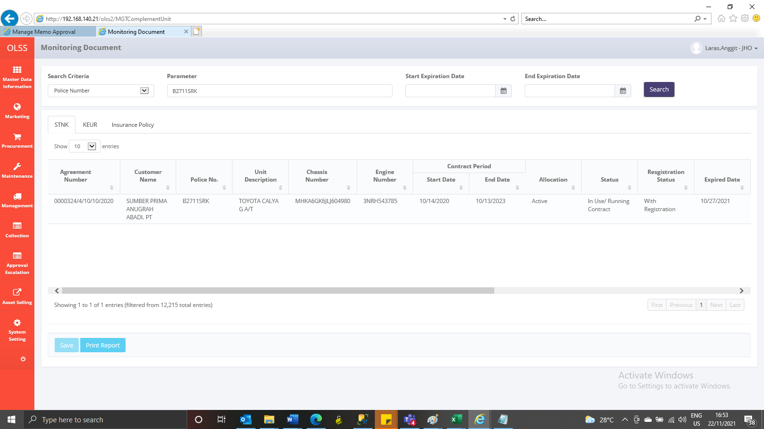
Before
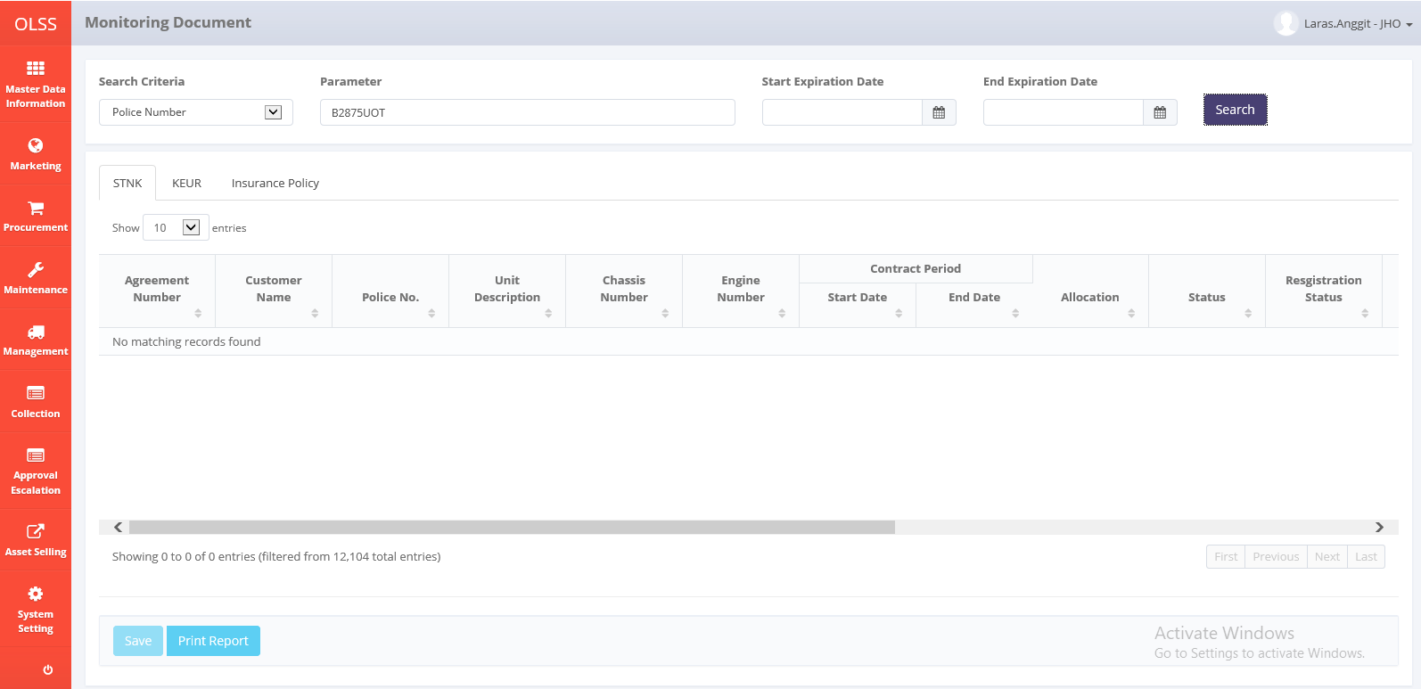

After

